specs
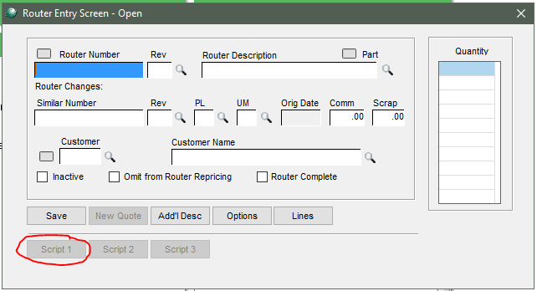

 |  | Excel File

 |  |  | Maintenance Program

 |  | Database custom table

Quote 9989-1
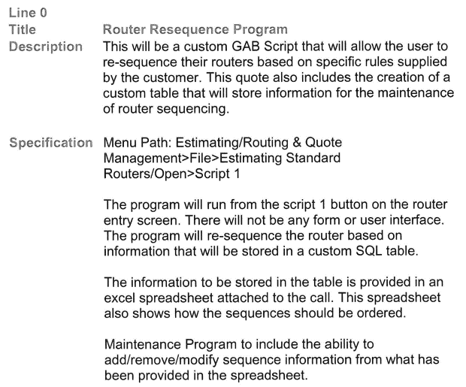
 | Script 2 (not Script 1)

